EVD_OPL07-01 (2)
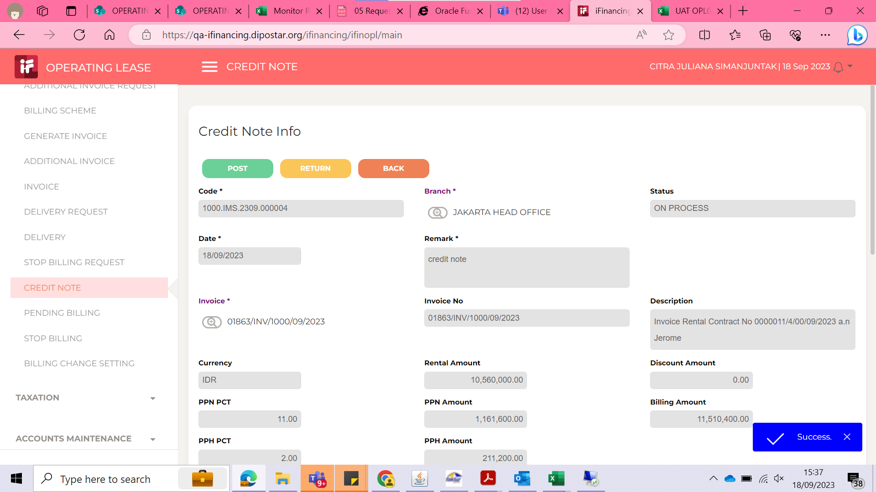
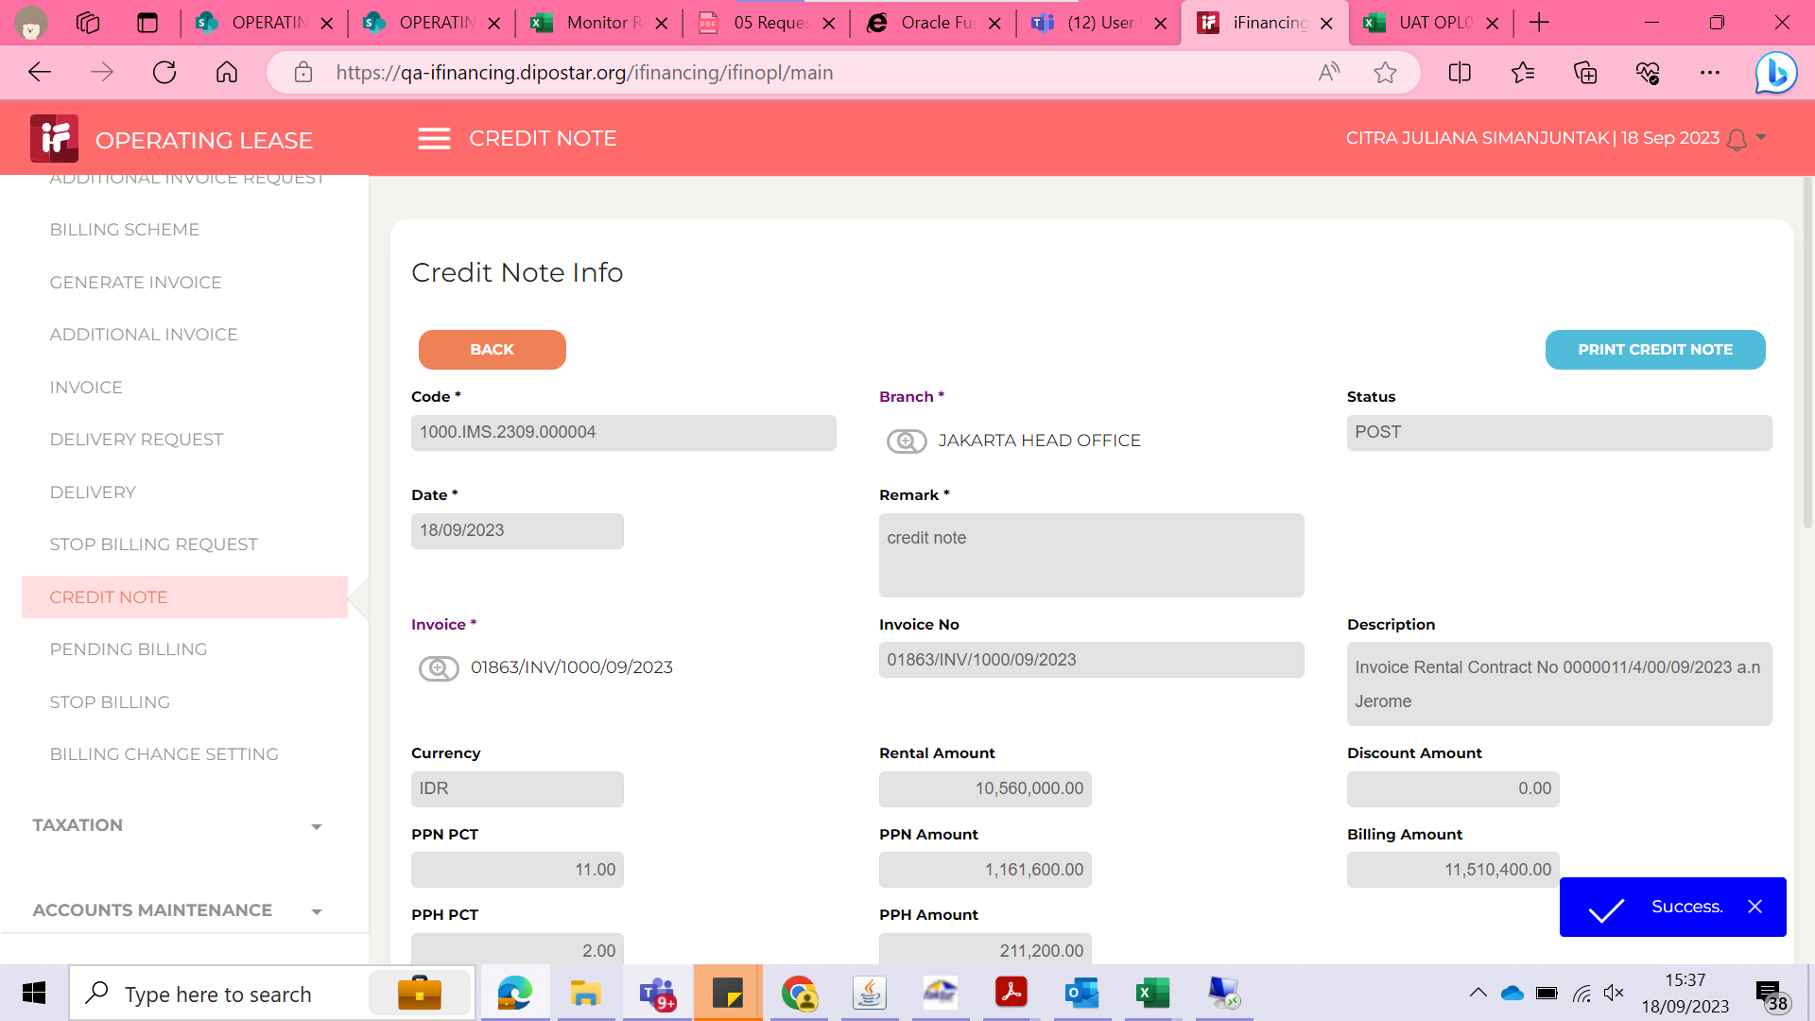
Test Case ID
Test Case Summary | Lakukan credit note untuk invoice yang sudah dikirim ke customer

Step # | Test Evidence | Re-Test Evidence (if found Bug/Issue)
1
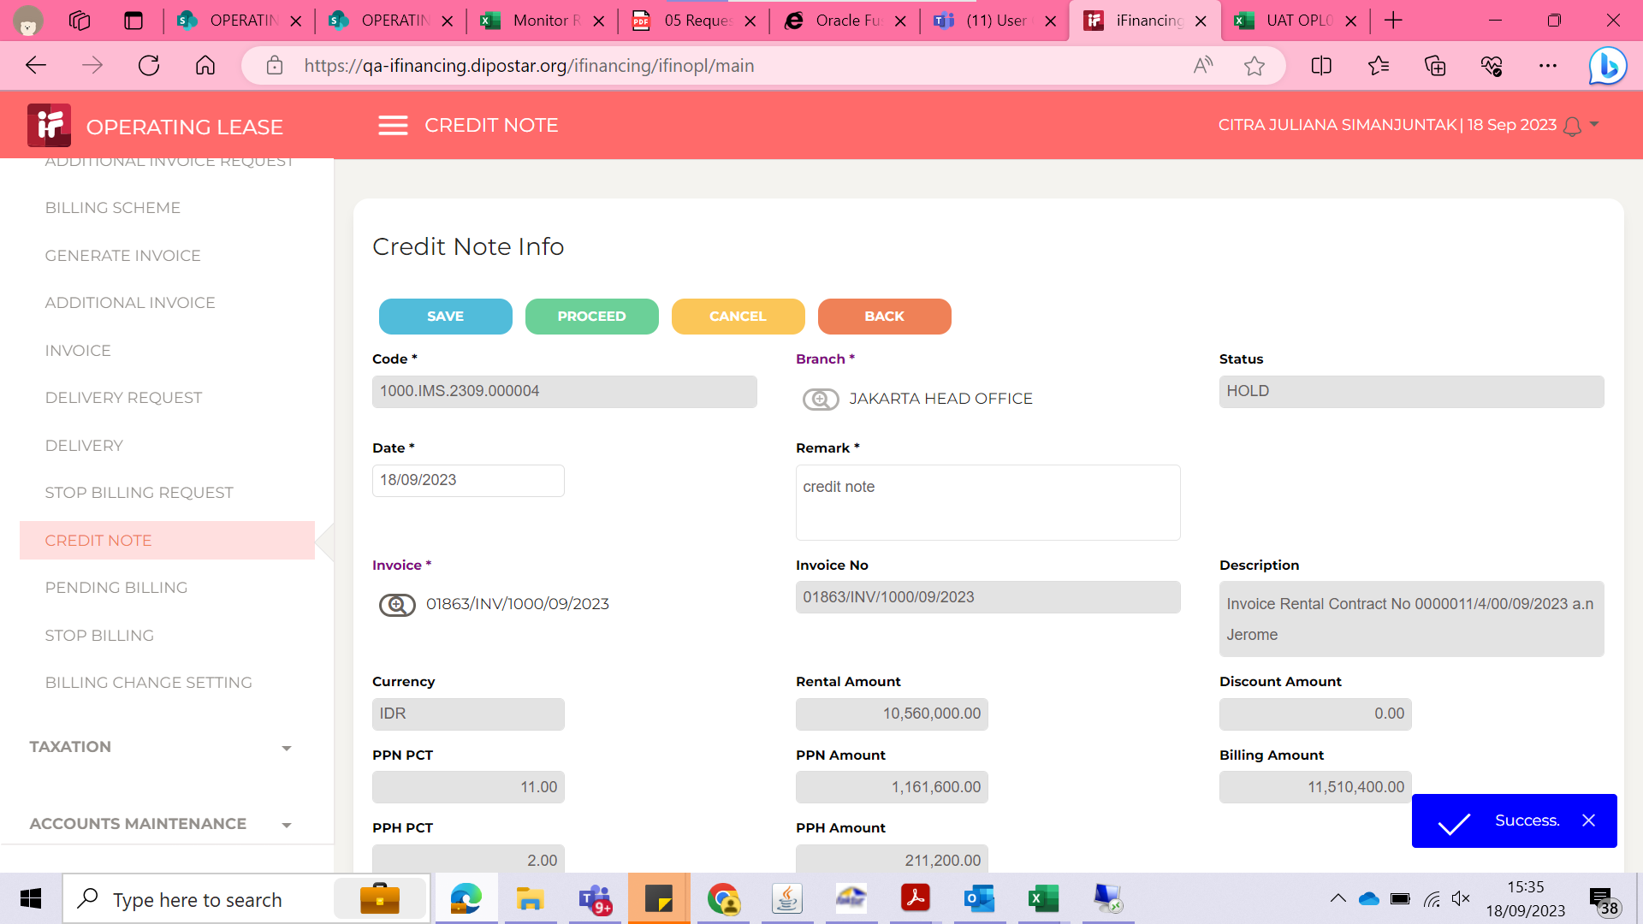

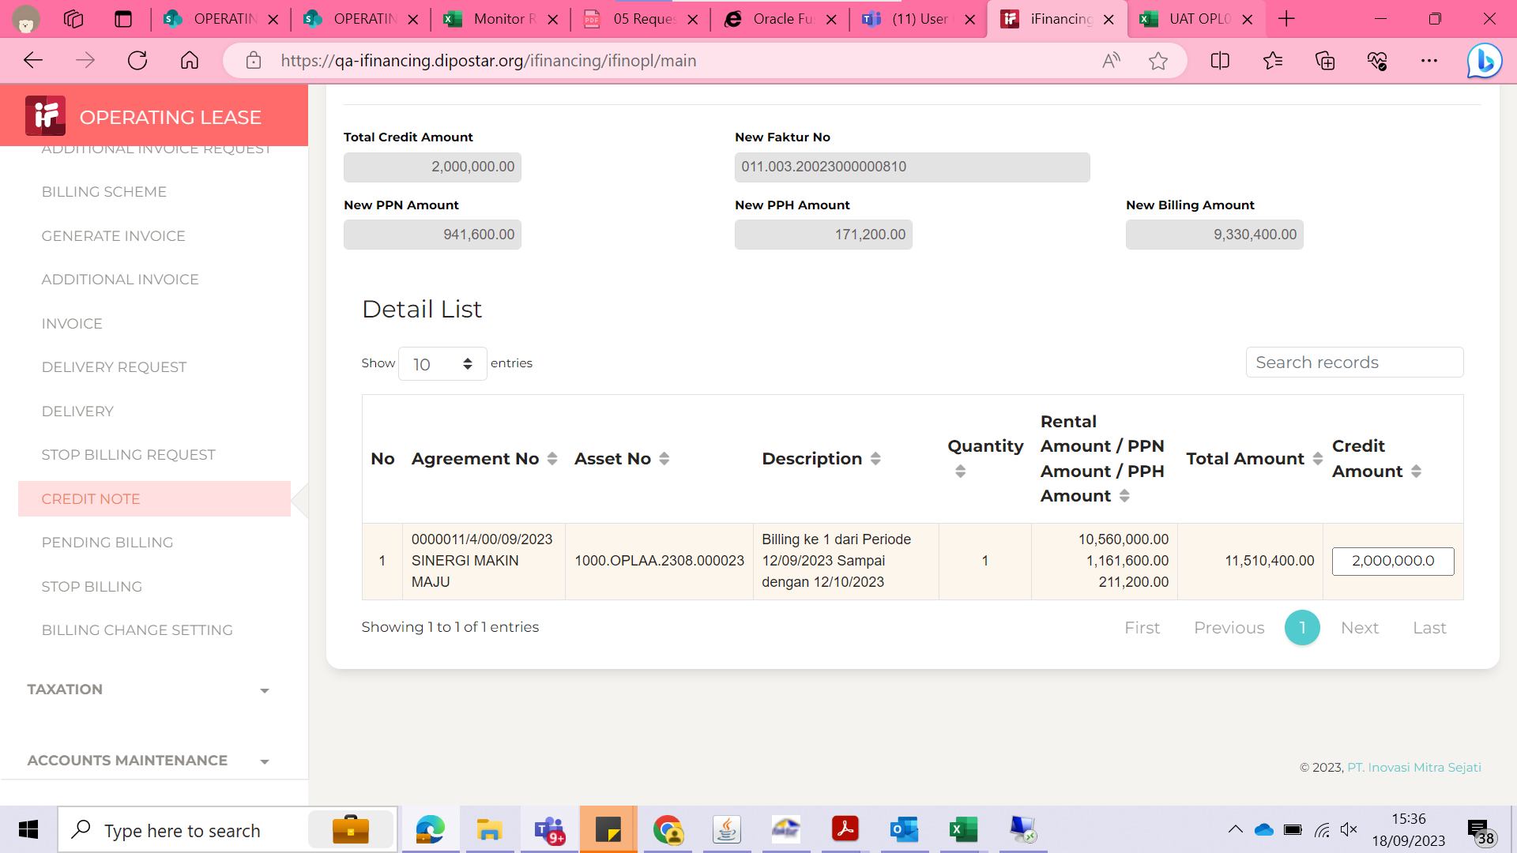
2

3

EVD_OPL07-01(NT)
Test Case ID
Test Case Summary | Lakukan credit note untuk invoice yang sudah dikirim ke customer

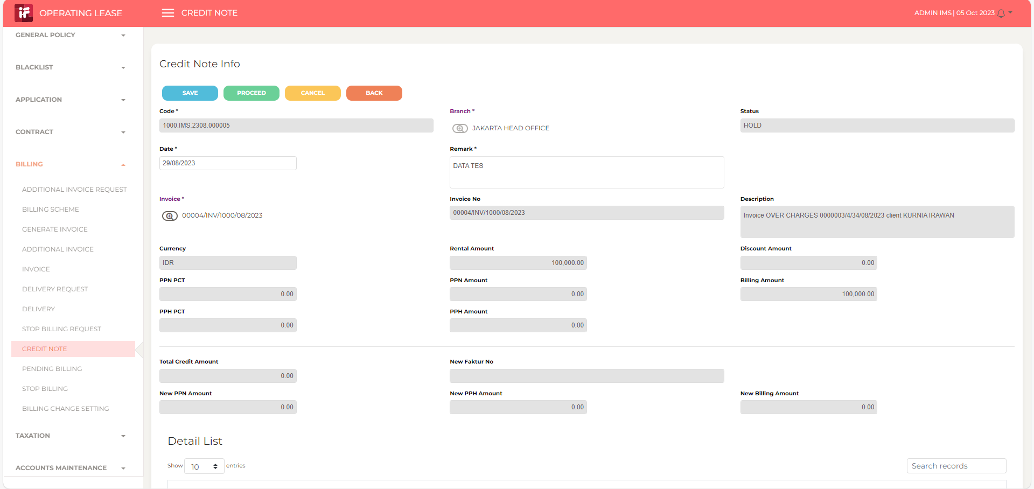
Step # | Test Evidence | Re-Test Evidence (if found Bug/Issue)
1

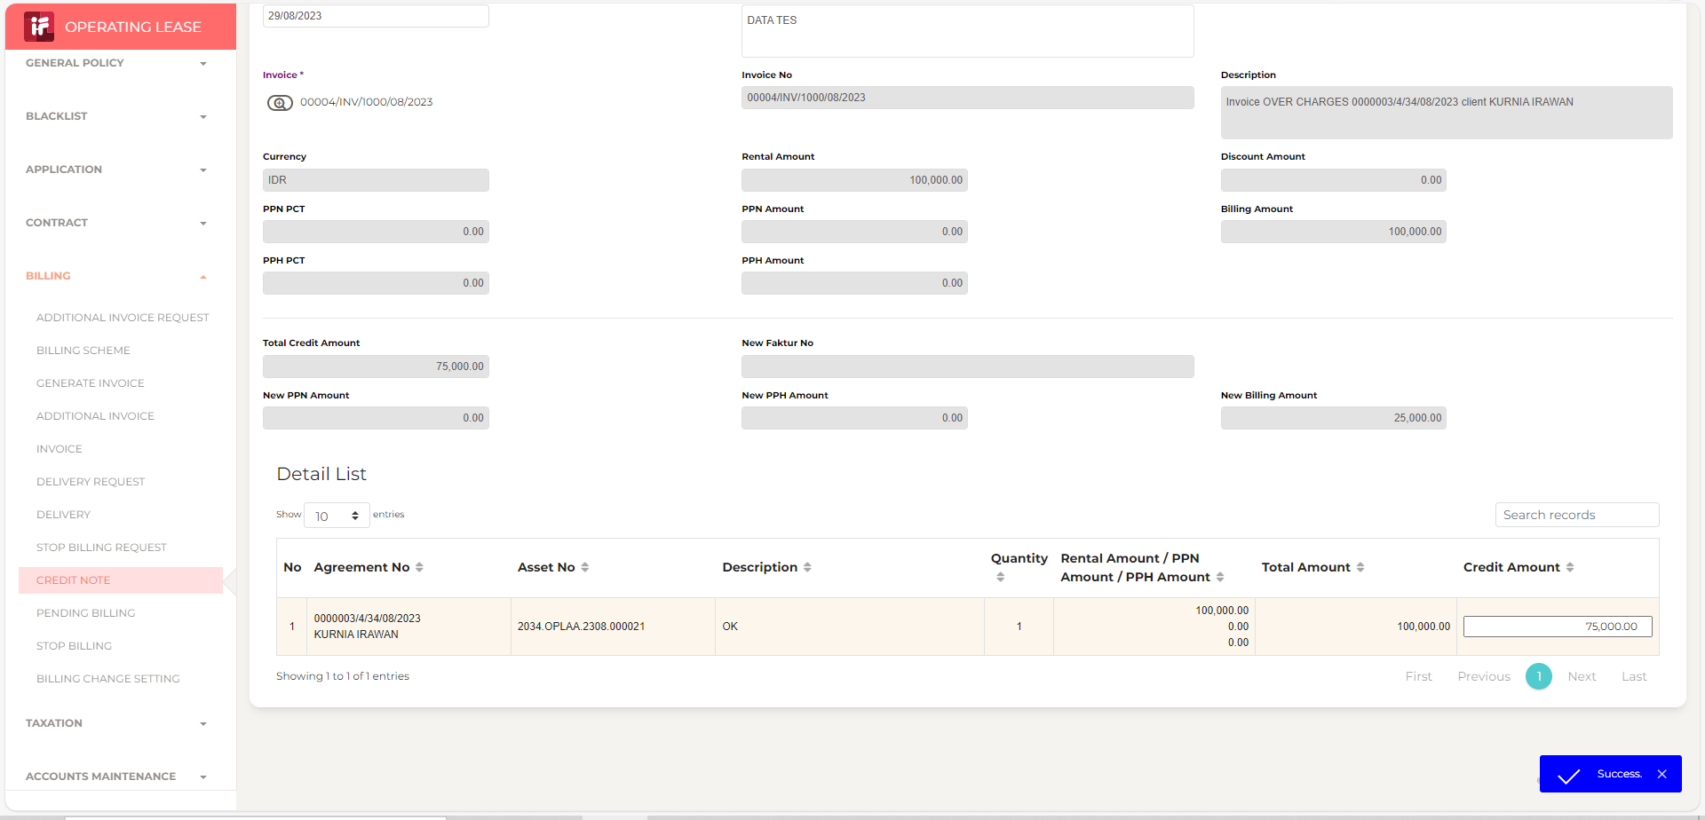
2

3

 | 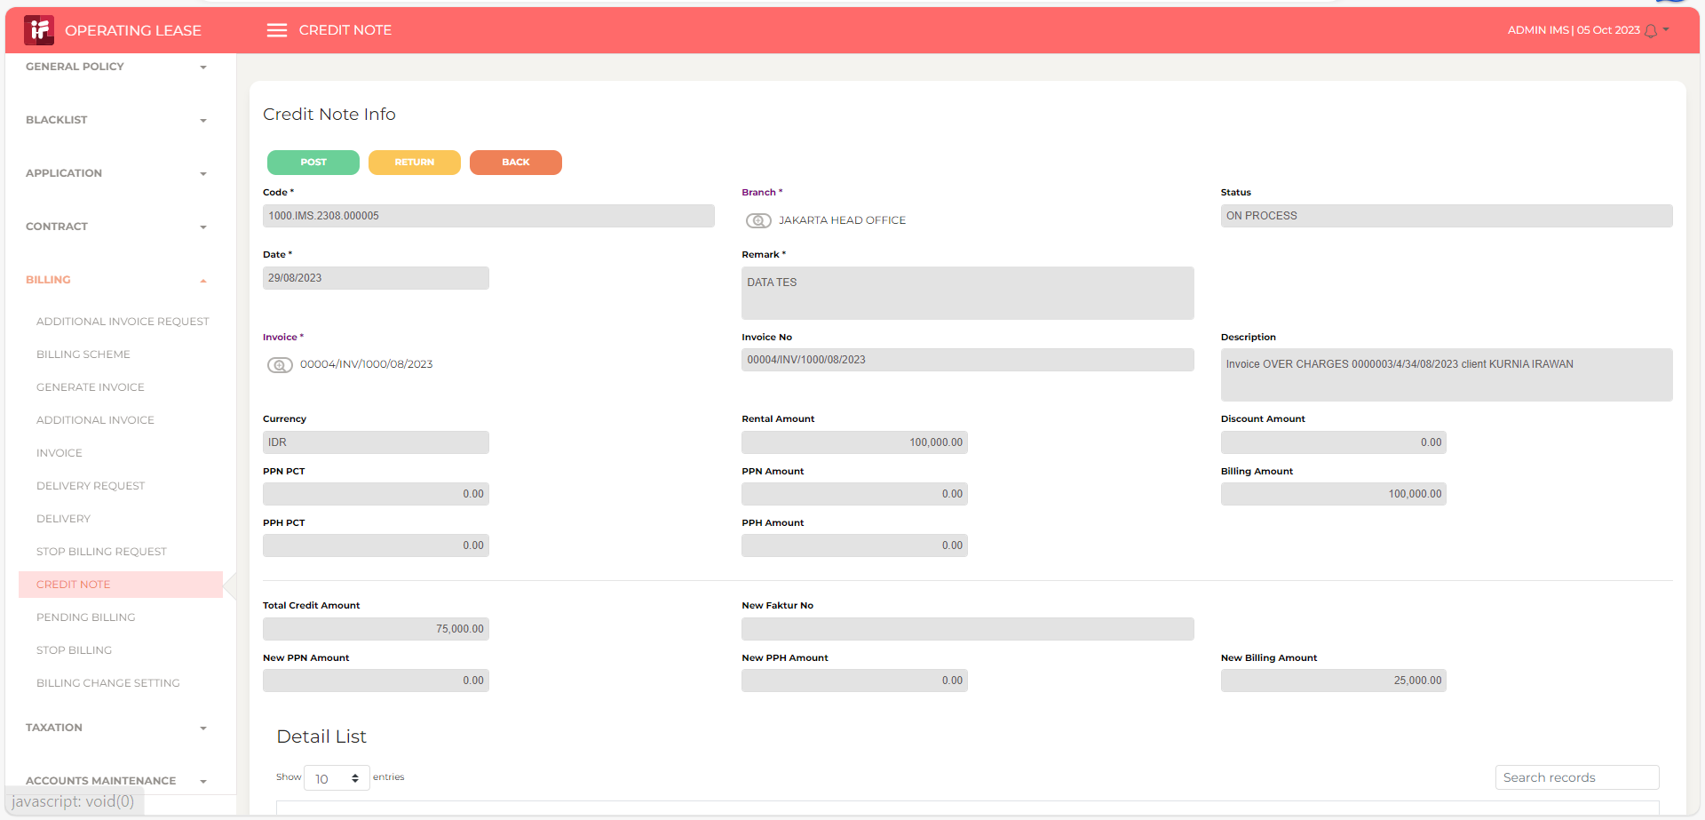

 | 